Job Details

Job Number & Name: | 35165 LB Bexley
Site Number/Name: | Site 3 - Yarnton Way
Client: | Waterman
Date: | 2023-03-30

Site Plan
Advanced Transport Research |  |  | Job Number & Name: | 35165 LB Bexley
Site 3 - Yarnton Way |  |  | Date: | 2023-03-30

Job Type: | Pedestrian & Vehicle Count
Co-ordinates: | 51°29'46.95"N, 0° 7'45.89"E | Postcode: | DA18 4DZ |  | Times: | 0700-1900

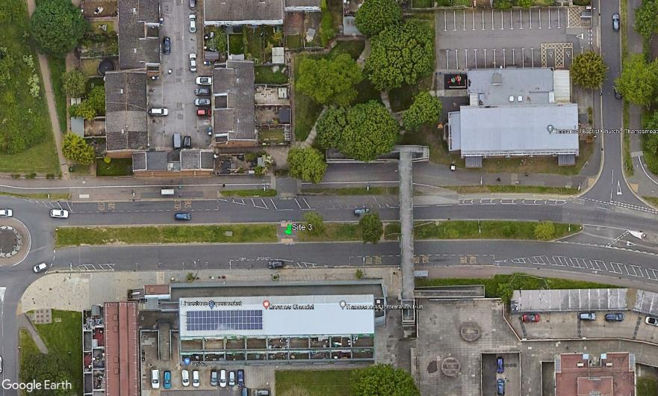
N

St Katherines Road

Yarnton Way

A
C

3
2
1
B
D

